Programme
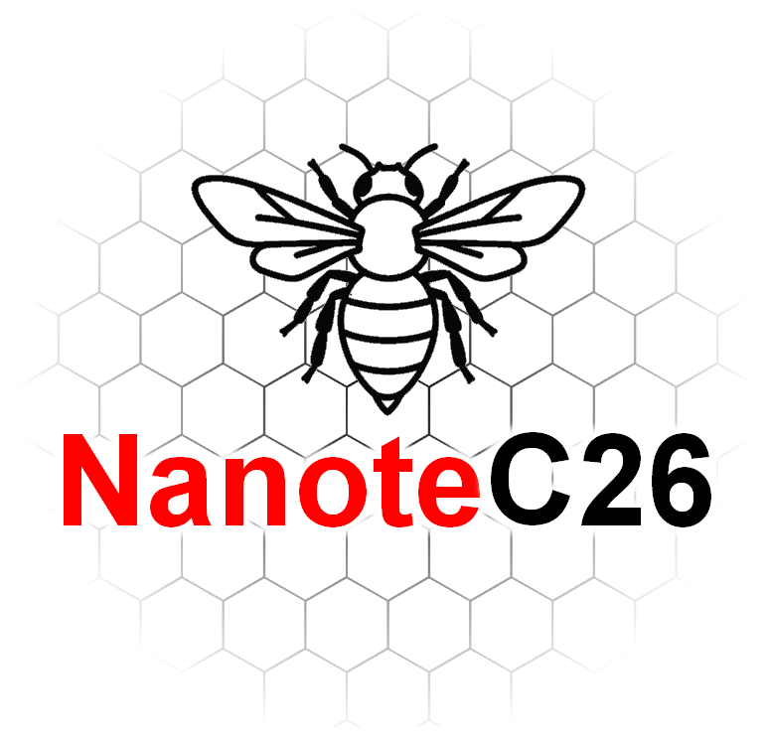
 | NanoteC Conference Timetable

Tuesday 1 September
Time | Speaker | Title / Programme item
09:00–09:20 | Registration
09:20–09:30 | Ian Kinloch and Alex Theodosiou | Welcome and conference opening
09:30–10:15 | Mark Newton | Vacancy, nitrogen-vacancy and vacancy cluster production by low energy electron irradiation and annealing in intrinsic and nitrogen doped diamond
10:15–10:45 | Kenny Jolley | Strain‑Driven Defects and Ripple Networks in Layered Two‑Dimensional Materials: From Atomistic Mechanisms to Mesoscale Behaviour
10:45-11:05 | Aline Amorim Graf | Nanosheet size distribution characterisation by optical microscopy
11:05–11:35 |  | Coffee Break
11:35–11:55 | Jack Armitage | What Lies Beneath the Surface: Understanding Surface Area and Porosity in Nanocarbons
11:55–12:15 | Callum Wood | Atomistic modelling of porous carbons: A joint computational and experimental approach to understanding the nanostructure of F400
12:15–12:35 | Beren Dempsey | Tuning Spin Polarisation in Symmetric Graphene Nanoribbons
12:35–14:00 |  | Lunch Break
14:00–14:30 | Alan Dalton | TBC
14:30-14:50 | Peter Lynch | Near-infrared electrochromism on reflective single-walled and multiwalled carbon nanotube electrochromic devices
14:50–15:20 | Bo Peng | Fullerene quantum magnets from first principles
15:20–15:40 | Dilara Ickekan | Local Atomic Environments to Phonons: Machine Learning Potentials for Low-Dimensional Carbon Nanostructures
15:40–16:10 |  | Coffee Break
16:10–16:40 | Chris Ewels | Nanoscale Modelling of Carbon Defects
16:40–17:00 | Daria Nasartdinova | Computational study of dislocations and ripples in bilayer graphene and hexagonal boron nitride
18:00 onwards | Social event - Bowling - KingPins Manchester Arndale Centre

Wednesday 2 September
Time | Speaker | Title / Programme item
09:00–09:45 | Elton Santos | Pushing the limits of magnetism towards energy-efficient applications
09:45–10:05 | Jason Stafford | Vibrational synthesis of 2D materials
10:05–10:25 | Ke Hu | Development of Vitrimer/GNPs Coatings for Corrosion Protection of Magnesium Alloy
10:25–10:45 | Varvara Bolikava | Transient Cellulose Stabilisation Enables Tap-Water Production of Graphene Nanosheet Inks from Electronic Waste
10:45–11:15 |  | Coffee Break
11:15–11:45 | Geoff Fowler | The drivers and challenges of recovering and recycling amorphous nano carbons from rubber
11:45–12:05 | Sumudu Adikaram | Investigating the Trade-off between Conduction and Convection in Graphene-Enhanced Phase Change Materials
12:05–12:25 | Paul Mouratidis | Emergent Ripplocation Networks in Heterostrained Bilayer Graphene
12:25–14:00 |  | Lunch Break
14:00–14:30 | Cinzia Casiraghi | Printable Electronics enabled by Supramolecular 2D Material Inks
14:30-14:50 | Matthew Large | Emissivity of conducting thin films
14:50–15:10 | Johan Vandenborre | When Radiation Chemistry, Photo-Chemistry and Sono-Chemistry meet, what is their Topic? Fricke Chemistry!
15:10–15:30 | Conor Boland | The Secret Social Life of Nanosheets in a Centrifuge
15:30–16:00 |  | Coffee Break
16:00–16:20 | Toby Squire | Electrically Conductive Adhesives Based On Nanomaterials For Effective And Sustainable Joule CFRPs Bonding And Selective Debonding
16:20–16:40 | Yuru Liu | Flash Reduction of Graphene Oxide–Alginate Films towards Conductive Composite Networks
16:40–17:00 | Joseph Owen | Rationally Designed Battery Electrodes

18:00 onwards | Conference dinner at Hello Oriental
 | Location - Circle Square, South Pavilion, 2 Symphony Park, Manchester,M1 7FS

Thursday 3 September
Time | Speaker | Title / Programme item
09:30–10:15 | Paola Ayala | Selective enhancement of photoluminescence in hybrids of single-walled carbon nanotubes encapsulating carbyne
10:15–10:40 | Rebekah Wells | Tailoring the Opto-Electronic Properties in Networks of TMD Nanosheets using Organic Small Molecules
10:40–11:10 |  | Coffee Break
11:10–11:40 | Igor Roncevic | A Molecule with Half-Möbius Topology
11:40–12:00 | Vjosa Hoda | Optical Properties of TMDC-Based Hetero-Nanotubes
12:00–12:20 | Shixin Liu | Scalable and flexible light-emitting diodes based on colloidal 2D semiconductors
12:20–14:00 |  | Lunch Break
14:00–14:30 | Natalia Martsinovich | Understanding the effects of defects and dopants on the optoelectronic properties of graphene quantum dots: a theoretical study
14:30–14:50 | Ehsan Elahi | Van der Waals Junction Engineering in 2D Chalcogenides: From Broadband Photodiodes to Quantum Transport
14:50-15:10 | Xue Li | Polarization-Driven Quantum Confinement at Ferroelectric Domain Boundaries in van der Waals TMDs
15:10–15:30 | Patricia Scully | Laser Functionalisation of Polymers for Medical Sensing: 3D Subsurface Carbon Structures.
15:30–16:00 |  | Coffee Break
16:00–16:20 | Shayan Seyedin | MXene Yarn Asymmetric Supercapacitors for Powering Future Wearable Technology
16:20–16:40 | Sean Ogilvie | Interfacial Assembly of Liquid-Exfoliated Nanosheets

18:00 onwards | Poster session at Rain Bar
 |  | Location - 80 Great Bridgewater Street, Manchester, M1 5JG

Friday 4 September
Time | Speaker | Title / Programme item
09:30–10:15 | Hannah Wood | High throughput kinetic insights into carbon nanotube properties
10:15–10:25 | Enny Tran | Thermal conversion of lignin in sustainable carbon fibres spun from a low-cost ionic liquid
10:25–10:45 | Ashish Kumar Rajayan | Lignin-Stabilized Nanocarbon Dispersions: From Sustainable Conductive Inks to Flow Electrochemical Energy Storage
10:45–11:15 |  | Coffee Break
11:15–11:45 | David J. Lewis | TBC
11:45-12:05 | Indrajit Maity | Breathing phonons reveal exciton multipolarity in van der Waals heterostructures
12:05–12:25 | Mounika Packirisamy | Sustainable Biomass-Derived Activated Carbon/PEDOT:PSS Composite Ink for Seamless Printing of Flexible Micro-Supercapacitors
12:25–12:45 |  | Conference Prizes, NanoteC 27 Announcement
12:45 onwards |  | Lunch and and Conference Close

